9_Đọc DSach_sp_Theo loai
 |  | PHP Laravel - Website bán hàng Bài 10: Đọc Danh Sách Sản Phẩm Theo Loại

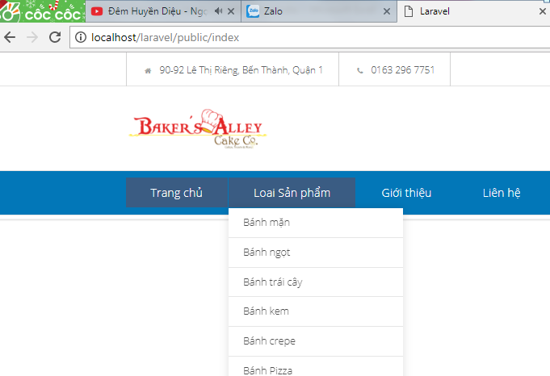

Kich chuot vao tung san pham , thino den tung san pham

 | Chung ta thuc hien truyen tham so den cho tung san pham theo Loai
 |  | Vi vay, chung ta se den public function getLoaiSp() cua loai san phamde lam

 |  | Chung ta thuc hien tao 1 bien $sp_theoloai
 |  |  | Bien nay nhan gia tri la 1 cau truy van, voi dieu kien id_type=$type( day la bien dong,,bien truyen vao)

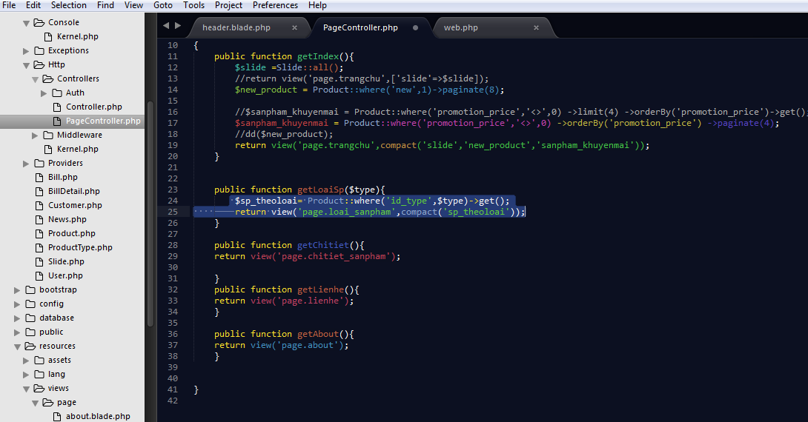

 | Cau hinh route cho bien truyen vao nay

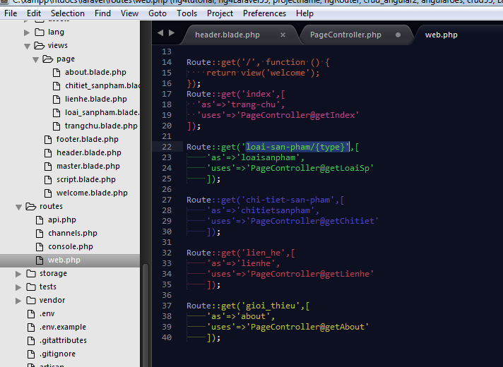

 |  |  |  | $sp_theoloai= Product::where('id_type',$type)->get();
 |  |  |  |  | return view('page.loai_sanpham',compact('sp_theoloai'));

 | Vao trang hearder.blade.php , tro den id nay vao

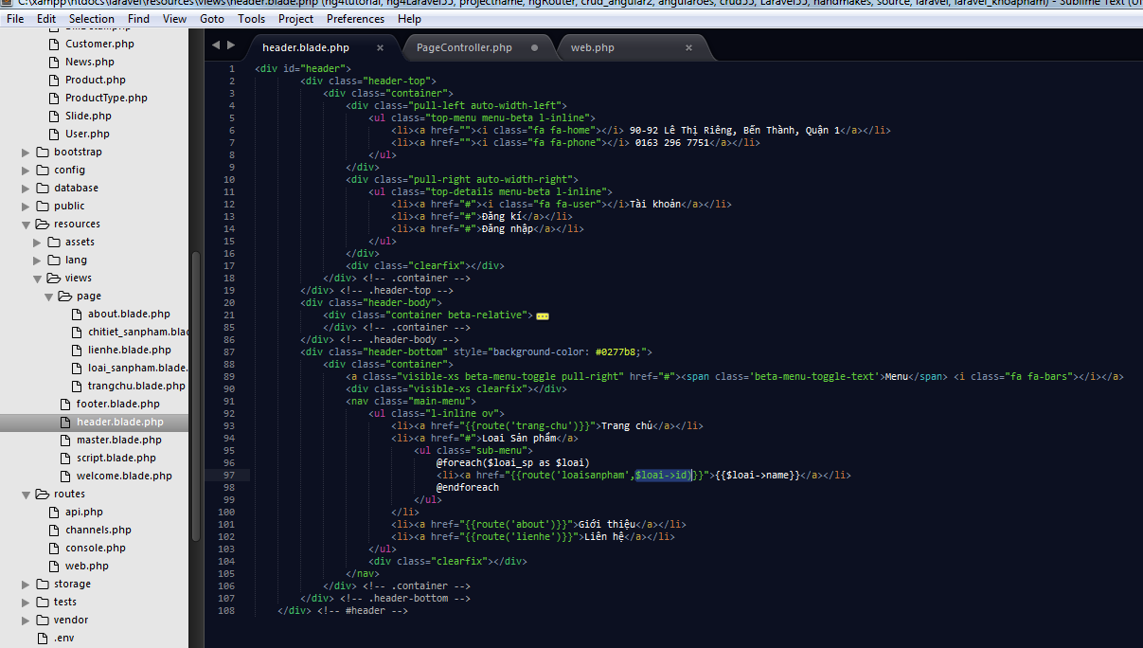

 | Chay thu | Kich chuot vao 1 Loai Sp, thi no se tro chuot den loai do, va hien thi cac san pham cua loai do mathoi

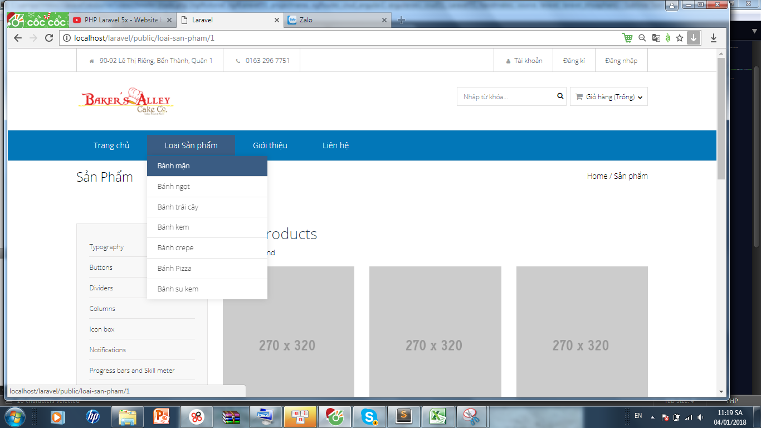

 |  |  |  |  |  | @extends('master')
 |  |  |  |  |  | @section('content')
 |  |  |  |  |  | <div class="inner-header">
 | Nhan xet: Chung ta thay, san pham chua duochien thi o loai san pham, nen chung ta tien hanh vao trang view\loai_sp.blade.php de foreach cho no |  |  |  |  |  | <div class="container">
 |  |  |  |  |  |  |  | <div class="pull-left">
 | Lam tuong tu nhu cac bai truoc, chung ta thuc hien xoa bot the code html: col-md-3, chi de lai 1 cai va thuc hien dung vong lap foreach() |  |  |  |  |  |  |  | <h6 class="inner-title">Sản phẩm</h6>
 |  |  |  |  |  |  |  | </div>
 |  |  |  |  |  |  |  | <div class="pull-right">
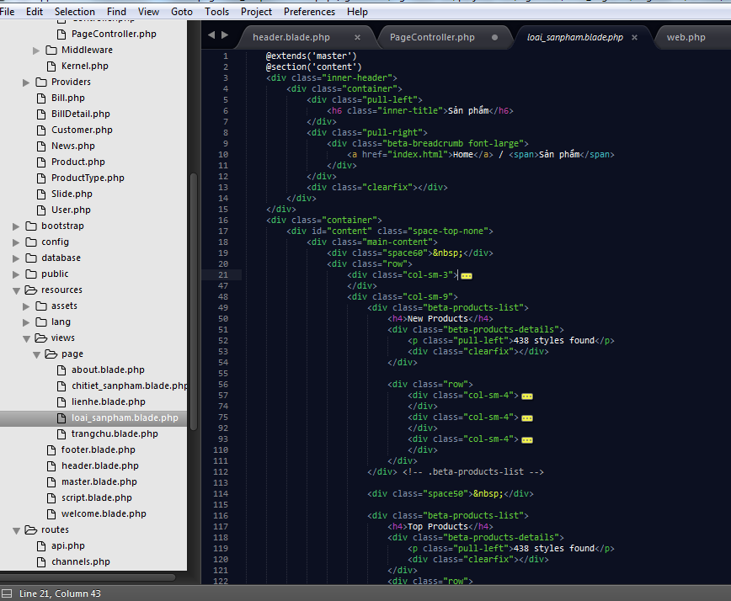
 |  |  |  |  |  |  |  |  | <div class="beta-breadcrumb font-large">
 |  |  |  |  |  |  |  |  |  | <a href="index.html">Home</a> / <span>Sản phẩm</span>
 |  |  |  |  |  |  |  |  | </div>
 |  |  |  |  |  |  |  | </div>
 |  |  |  |  |  |  |  | <div class="clearfix"></div>
 |  |  |  |  |  |  | </div>
 |  |  |  |  |  | </div>
 |  |  |  |  |  | <div class="container">
 |  |  |  |  |  |  | <div id="content" class="space-top-none">
 |  |  |  |  |  |  |  | <div class="main-content">
 |  |  |  |  |  |  |  |  | <div class="space60">&nbsp;</div>
 |  |  |  |  |  |  |  |  | <div class="row">
 |  |  |  |  |  |  |  |  |  | <div class="col-sm-3">
 |  |  |  |  |  |  |  |  |  |  | <ul class="aside-menu">
 |  |  |  |  |  |  |  |  |  |  |  | <li><a href="#">Typography</a></li>
 |  |  |  |  |  |  |  |  |  |  |  | <li><a href="#">Buttons</a></li>
 |  |  |  |  |  |  |  |  |  |  |  | <li><a href="#">Dividers</a></li>
 |  |  |  |  |  |  |  |  |  |  |  | <li><a href="#">Columns</a></li>
 |  |  |  |  |  |  |  |  |  |  |  | <li><a href="#">Icon box</a></li>
 |  |  |  |  |  |  |  |  |  |  |  | <li><a href="#">Notifications</a></li>
 |  |  |  |  |  |  |  |  |  |  |  | <li><a href="#">Progress bars and Skill meter</a></li>
 |  |  |  |  |  |  |  |  |  |  |  | <li><a href="#">Tabs</a></li>
 |  |  |  |  |  |  |  |  |  |  |  | <li><a href="#">Testimonial</a></li>
 |  |  |  |  |  |  |  |  |  |  |  | <li><a href="#">Video</a></li>
 |  |  |  |  |  |  |  |  |  |  |  | <li><a href="#">Social icons</a></li>
xoanhung dong lenh nay
 |  |  |  |  |  |  |  |  |  |  |  | <li><a href="#">Carousel sliders</a></li>
 |  |  |  |  |  |  |  |  |  |  |  | <li><a href="#">Custom List</a></li>
 |  |  |  |  |  |  |  |  |  |  |  | <li><a href="#">Image frames &amp; gallery</a></li>
 |  |  |  |  |  |  |  |  |  |  |  | <li><a href="#">Google Maps</a></li>
 |  |  |  |  |  |  |  |  |  |  |  | <li><a href="#">Accordion and Toggles</a></li>
 |  |  |  |  |  |  |  |  |  |  |  | <li class="is-active"><a href="#">Custom callout box</a></li>
 |  |  |  |  |  |  |  |  |  |  |  | <li><a href="#">Page section</a></li>
 |  |  |  |  |  |  |  |  |  |  |  | <li><a href="#">Mini callout box</a></li>
 |  |  |  |  |  |  |  |  |  |  |  | <li><a href="#">Content box</a></li>
 |  |  |  |  |  |  |  |  |  |  |  | <li><a href="#">Computer sliders</a></li>
 |  |  |  |  |  |  |  |  |  |  |  | <li><a href="#">Pricing &amp; Data tables</a></li>
 |  |  |  |  |  |  |  |  |  |  |  | <li><a href="#">Process Builders</a></li>
 | Tuong tu, chung ta lam hien thi cac loai "Top Product- san pham khac" |  |  |  |  |  |  |  |  |  | </ul>
 |  |  |  |  |  |  |  |  |  | </div>
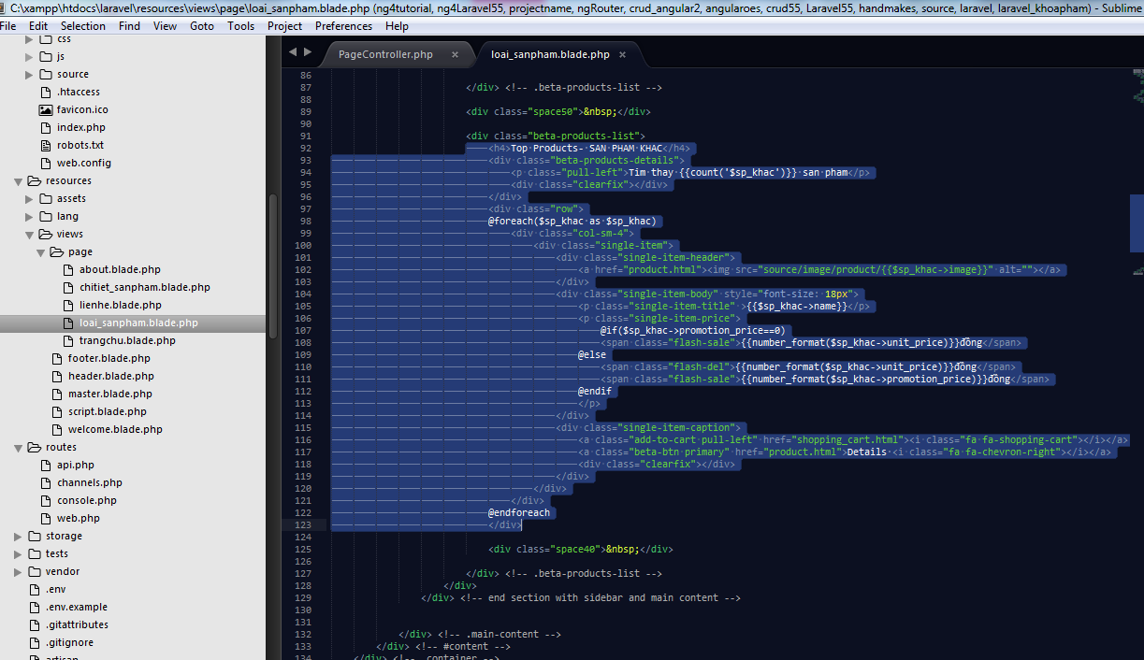
 |  |  |  |  |  |  |  |  |  | <div class="col-sm-9">
 |  |  |  |  |  |  |  |  |  |  | <div class="beta-products-list">
 |  |  |  |  |  |  |  |  |  |  |  | <h4>New Products</h4>
 |  |  |  |  |  |  |  |  |  |  |  | <div class="beta-products-details">
 |  |  |  |  |  |  |  |  |  |  |  |  | <p class="pull-left">Tim thay {{count('$sp_theoloai')}} san pham</p>
 |  |  |  |  |  |  |  |  |  |  |  |  | <div class="clearfix"></div>
 |  |  |  |  |  |  |  |  |  |  |  | </div>

 |  |  |  |  |  |  |  |  |  |  |  | <div class="row">
 |  |  |  |  |  |  |  |  |  |  |  | @foreach($sp_theoloai as $sp)
 |  |  |  |  |  |  |  |  |  |  |  |  | <div class="col-sm-4">
 |  |  |  |  |  |  |  |  |  |  |  |  |  | <div class="single-item">
 |  |  |  |  |  |  |  |  |  |  |  |  |  | @if($sp->promotion_price!=0)
 |  |  |  |  |  |  |  |  |  |  |  |  |  | <div class ="ribbon-wrapper"><div class ="ribbon sale">i love you</div></div>
 |  |  |  |  |  |  |  |  |  |  |  |  |  | @endif
 |  |  |  |  |  |  |  |  |  |  |  |  |  |  | <div class="single-item-header">
 |  |  |  |  |  |  |  |  |  |  |  |  |  |  |  | <a href="product.html"><img src="source/image/product/{{$sp->image}}" alt=""></a>
 |  |  |  |  |  |  |  |  |  |  |  |  |  |  | </div>
 |  |  |  |  |  |  |  |  |  |  |  |  |  |  | <div class="single-item-body" style="font-size: 18px">
 |  |  |  |  |  |  |  |  |  |  |  |  |  |  |  | <p class="single-item-title" >{{$sp->name}}</p>
 |  |  |  |  |  |  |  |  |  |  |  |  |  |  |  | <p class="single-item-price">
 |  |  |  |  |  |  |  |  |  |  |  |  |  |  |  |  | @if($sp->promotion_price==0)
 |  |  |  |  |  |  |  |  |  |  |  |  |  |  |  |  | <span class="flash-sale">{{number_format($sp->unit_price)}}đồng</span>
 |  |  |  |  |  |  |  |  |  |  |  |  |  |  |  | @else
 |  |  |  |  |  |  |  |  |  |  |  |  |  |  |  |  | <span class="flash-del">{{number_format($sp->unit_price)}}đồng</span>
 |  |  |  |  |  |  |  |  |  |  |  |  |  |  |  |  | <span class="flash-sale">{{number_format($sp->promotion_price)}}đồng</span>
 |  |  |  |  |  |  |  |  |  |  |  |  |  |  |  | @endif
 |  |  |  |  |  |  |  |  |  |  |  |  |  |  |  | </p>
 |  |  |  |  |  |  |  |  |  |  |  |  |  |  | </div>
 |  |  |  |  |  |  |  |  |  |  |  |  |  |  | <div class="single-item-caption">
 |  |  |  |  |  |  |  |  |  |  |  |  |  |  |  | <a class="add-to-cart pull-left" href="shopping_cart.html"><i class="fa fa-shopping-cart"></i></a>
 |  |  |  |  |  |  |  |  |  |  |  |  |  |  |  | <a class="beta-btn primary" href="product.html">Details <i class="fa fa-chevron-right"></i></a>
 |  |  |  |  |  |  |  |  |  |  |  |  |  |  |  | <div class="clearfix"></div>
 |  |  |  |  |  |  |  |  |  |  |  |  |  |  | </div>
 |  |  |  |  |  |  |  |  |  |  |  |  |  | </div>
 |  |  |  |  |  |  |  |  |  |  |  |  | </div>
 |  |  |  |  |  |  |  |  |  |  |  | @endforeach
 | Cuoi cung,chung ta chay thu nhe |  |  |  |  |  |  |  |  |  |  | </div>
 |  |  | OK
 |  |  |  |  |  |  |  |  |  |  | </div> <!-- .beta-products-list -->
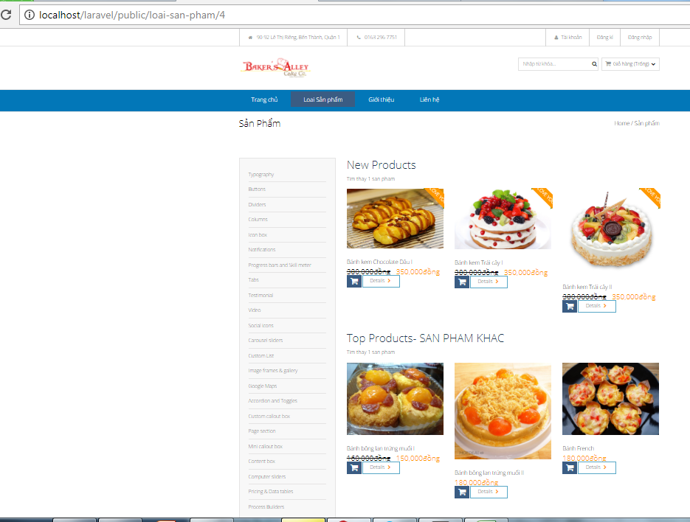
 |  |  |  |  |  |  |  |  |  |  | <div class="space50">&nbsp;</div>

 |  |  |  |  |  |  |  |  |  |  | <div class="beta-products-list">
 |  |  |  |  |  |  |  |  |  |  |  | <h4>Top Products- SAN PHAM KHAC</h4>
 |  |  |  |  |  |  |  |  |  |  |  | <div class="beta-products-details">
 |  |  |  |  |  |  |  |  |  |  |  |  | <p class="pull-left">Tim thay {{count('$sp_khac')}} san pham</p>
 |  |  |  |  |  |  |  |  |  |  |  |  | <div class="clearfix"></div>
 |  |  |  |  |  |  |  |  |  |  |  | </div>
 |  |  |  |  |  |  |  |  |  |  |  | <div class="row">
 |  |  |  |  |  |  |  |  |  |  |  | @foreach($sp_khac as $sp_khac)
 |  |  |  |  |  |  |  |  |  |  |  |  | <div class="col-sm-4">
 |  |  |  |  |  |  |  |  |  |  |  |  |  | <div class="single-item">
 |  |  |  |  |  |  |  |  |  |  |  |  |  |  | <div class="single-item-header">
 |  |  |  |  |  |  |  |  |  |  |  |  |  |  |  | <a href="product.html"><img src="source/image/product/{{$sp_khac->image}}" alt=""></a>
 |  |  |  |  |  |  |  |  |  |  |  |  |  |  | </div>
 |  |  |  |  |  |  |  |  |  |  |  |  |  |  | <div class="single-item-body" style="font-size: 18px">
 |  |  |  |  |  |  |  |  |  |  |  |  |  |  |  | <p class="single-item-title" >{{$sp_khac->name}}</p>
 |  |  |  |  |  |  |  |  |  |  |  |  |  |  |  | <p class="single-item-price">
 |  |  |  |  |  |  |  |  |  |  |  |  |  |  |  |  | @if($sp_khac->promotion_price==0)
 |  |  |  |  |  |  |  |  |  |  |  |  |  |  |  |  | <span class="flash-sale">{{number_format($sp_khac->unit_price)}}đồng</span>
 |  |  |  |  |  |  |  |  |  |  |  |  |  |  |  | @else
 |  |  |  |  |  |  |  |  |  |  |  |  |  |  |  |  | <span class="flash-del">{{number_format($sp_khac->unit_price)}}đồng</span>
 |  |  |  |  |  |  |  |  |  |  |  |  |  |  |  |  | <span class="flash-sale">{{number_format($sp_khac->promotion_price)}}đồng</span>
 |  |  |  |  |  |  |  |  |  |  |  |  |  |  |  | @endif
 |  |  |  |  |  |  |  |  |  |  |  |  |  |  |  | </p>
 |  |  |  |  |  |  |  |  |  |  |  |  |  |  | </div>
 |  |  |  |  |  |  |  |  |  |  |  |  |  |  | <div class="single-item-caption">
 |  |  |  |  |  |  |  |  |  |  |  |  |  |  |  | <a class="add-to-cart pull-left" href="shopping_cart.html"><i class="fa fa-shopping-cart"></i></a>
 |  |  |  |  |  |  |  |  |  |  |  |  |  |  |  | <a class="beta-btn primary" href="product.html">Details <i class="fa fa-chevron-right"></i></a>
 |  |  |  |  |  |  |  |  |  |  |  |  |  |  |  | <div class="clearfix"></div>
 |  |  |  |  |  |  |  |  |  |  |  |  |  |  | </div>
 |  |  |  |  |  |  |  |  |  |  |  |  |  | </div>
 |  |  |  |  |  |  |  |  |  |  |  |  | </div>
 |  |  |  |  |  |  |  |  |  |  |  | @endforeach
 |  |  |  |  |  |  |  |  |  |  |  | </div>

 |  |  |  |  |  |  |  |  |  |  |  | <div class="space40">&nbsp;</div>

 |  |  |  |  |  |  |  |  |  |  | </div> <!-- .beta-products-list -->
 |  |  |  |  |  |  |  |  |  | </div>
 |  |  |  |  |  |  |  |  | </div> <!-- end section with sidebar and main content -->

 |  |  |  |  |  |  |  | </div> <!-- .main-content -->
 |  |  |  |  |  |  | </div> <!-- #content -->
 |  |  |  |  |  | </div> <!-- .container -->
 |  |  |  |  |  | @endsection

Buoc 2 | Xu ly controller cho edit

